Indices

 | Iraq Stock Exchange
 | Bulletin No (62)
 | ISX Trading Indices of Monday 13/4/2026

 | Traded Volume and OTC |  | 948,417,159 |  | Traded Value and OTC |  | 1,033,624,930 |  | Traders | 1102

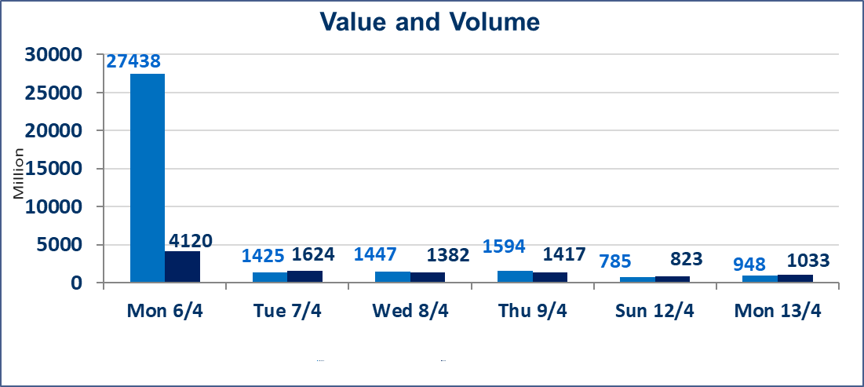
 | ISX Index 60 |  |  | 976.61 | ISX Index 15 |  |  | 1265.34
 | Previous ISX Index60 |  |  | 979.50 | Previous ISX Index15 |  |  | 1266.92
 | Change % |  |  | -0.30 | Change % |  |  | -0.12
 | Change |  |  | -2.89 | Change |  |  | -1.58

 | Listed Companies | 104 | OTC | 14 | Non Traded listed | 40 | OTC | 13
 | Traded Listed Companies | 52 | OTC | 1 | Higher Companies |  |  | 9
 | GAM Companies |  |  | 3 | Lower Companies |  |  | 20
 | Suspended Companies |  |  | 9
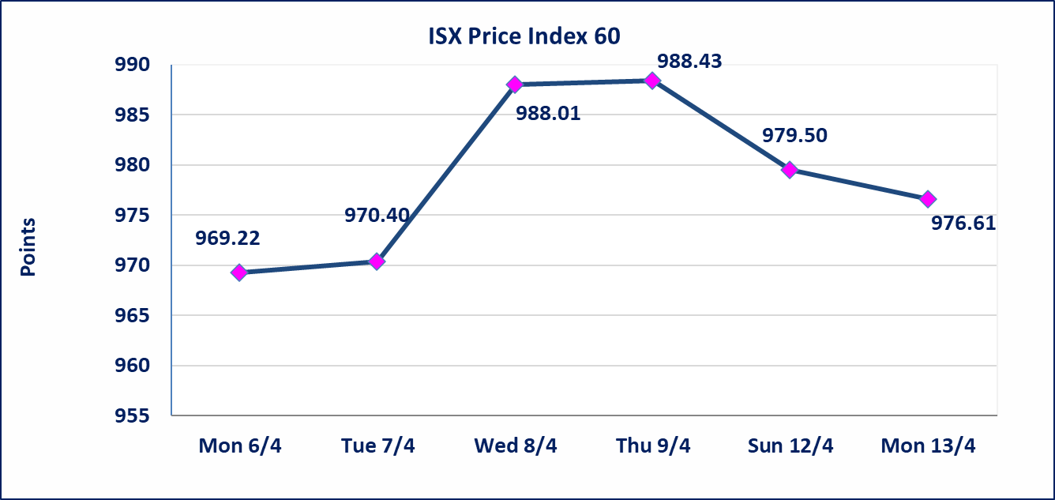
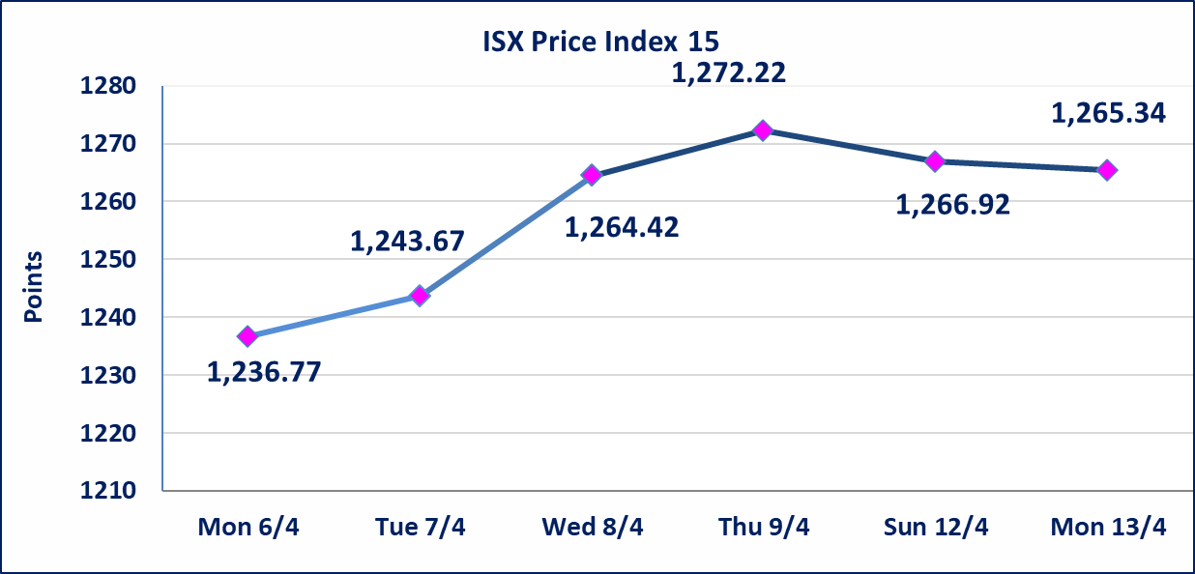

Al-Alwiya P.O . 3607 Mobile: 07711211522 - 07270094594 - 07834000034 E-mail: info-isx@isx-iq.net Web site:www.isx-iq.net

Top 5
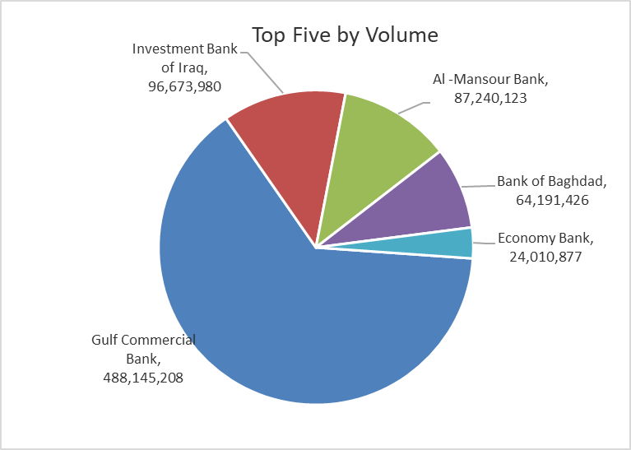
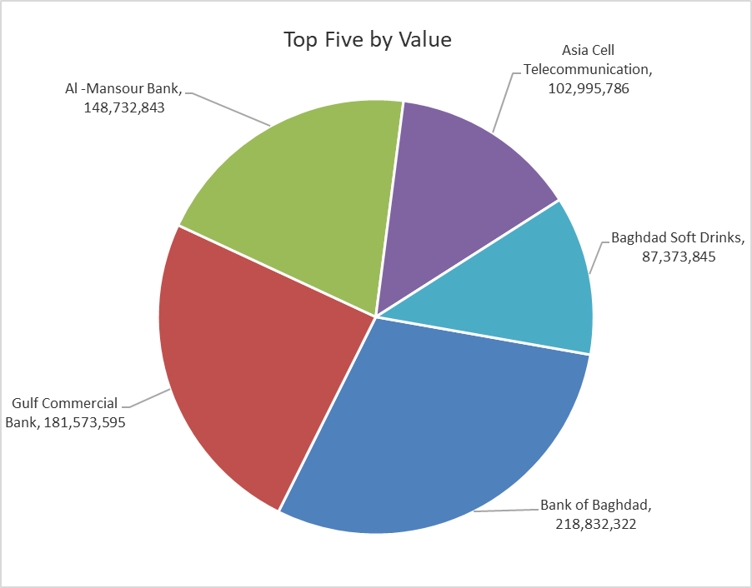

ISX top ganing and losing companies
Monday 13/4/2026
 | Gainers |  |  |  | Losers
 | Company Name | Closing Price | Change (%) | Traded Volume | Company Name | Closing Price | Change (%) | Traded Volume
 | General Transportation | 1.700 | 4.94 | 54,124 | Al-Hamraa for Insurance | 5.090 | -4.68 | 25,545
 | Al-Mosul for funfairs | 7.230 | 4.93 | 36,500 | Investment Bank of Iraq | 0.210 | -4.55 | 96,673,980
 | The Light Industries | 1.250 | 4.17 | 250,000 | Economy Bank | 0.220 | -4.35 | 24,010,877
 | AL-Wiaam for Financial Investment | 0.690 | 2.99 | 2,532 | Babil Animal & Vegetable Production | 7.700 | -3.63 | 567,288
 | Gulf Commercial Bank | 0.380 | 2.70 | 488,145,208 | Palestine Hotel | 18.470 | -3.25 | 2,568,521
 | The most active companies in term of traded volume and value

 | Traded Volume |  |  |  | Traded Value
 | Company Name | Closing Price | Change (%) | Traded Volume | Company Name | Closing Price | Change (%) | Traded Value
 | Gulf Commercial Bank | 0.380 | 2.70 | 488,145,208 | Bank of Baghdad | 3.400 | -2.30 | 218,832,322
 | Investment Bank of Iraq | 0.210 | -4.55 | 96,673,980 | Gulf Commercial Bank | 0.380 | 2.70 | 181,573,595
 | Al -Mansour Bank | 1.700 | -0.58 | 87,240,123 | Al -Mansour Bank | 1.700 | -0.58 | 148,732,843
 | Bank of Baghdad | 3.400 | -2.30 | 64,191,426 | Asia Cell Telecommunication | 15.770 | -0.06 | 102,995,786
 | Economy Bank | 0.220 | -4.35 | 24,010,877 | Baghdad Soft Drinks | 6.020 | 1.69 | 87,373,845

Non Iraqi

Iraq Stock Exchange
Non Iraqis' Bulletin Monday April 13 2026
Regular Market

Non Iraqi Trading of Regular Market (Sell)
Company Names | Code | No.of trades | Traded Shares | Trading Volume
Banks Sector
National Bank Of Iraq | BNOI | 22 | 7,000,000 | 35,700,000
Total Bank sector |  | 22 | 7,000,000 | 35,700,000
Grand Total |  | 22 | 7,000,000 | 35,700,000

Not Trading Bonds

Iraq Stock Exchange
Monday 13/4/2026
Not Trading Bonds Bulletin
Bond type | Publish type | Code | last trading price | immortilize date
Banaa Bonds /Million ID | Second | CB20 | 964,981 | 19/12/2025
Eamar Bonds /Million ID | First | CB30 | 1,001,095 | ــــــــــــــــ
Eamar Bonds /Million ID | Second | CB40 | ــــــــــــــــ | ــــــــــــــــ
Eamar Bonds /500 Thousand ID | Third | CB45 | ــــــــــــــــ | ــــــــــــــــ
Eamar Bonds /Million ID | Third | CB50 | ــــــــــــــــ | ــــــــــــــــ
Injaz Bonds /500 Thousand ID | First | CB55 | ــــــــــــــــ | ــــــــــــــــ
Injaz Bonds /Million ID | First | CB60 | ــــــــــــــــ | ــــــــــــــــ
Injaz Bonds /500 Thousand ID | Second | CB65 | 507,301 | ــــــــــــــــ
Injaz Bonds /Million ID | Second | CB70 | 965,050 | ــــــــــــــــ
Injaz Bonds /500 Thousand ID | Third | CB75 | ــــــــــــــــ | ــــــــــــــــ
Injaz Bonds /Million ID | Third | CB80 | 978,182 | ــــــــــــــــ
National Bonds/Million ID | First | CB90 | ــــــــــــــــ | ــــــــــــــــ
National Bonds/500 Thousand ID | Second | CB95 | ــــــــــــــــ | ــــــــــــــــ
National Bonds/Million ID | Second | CB100 | ــــــــــــــــ | ــــــــــــــــ

